IF Calculator is not working
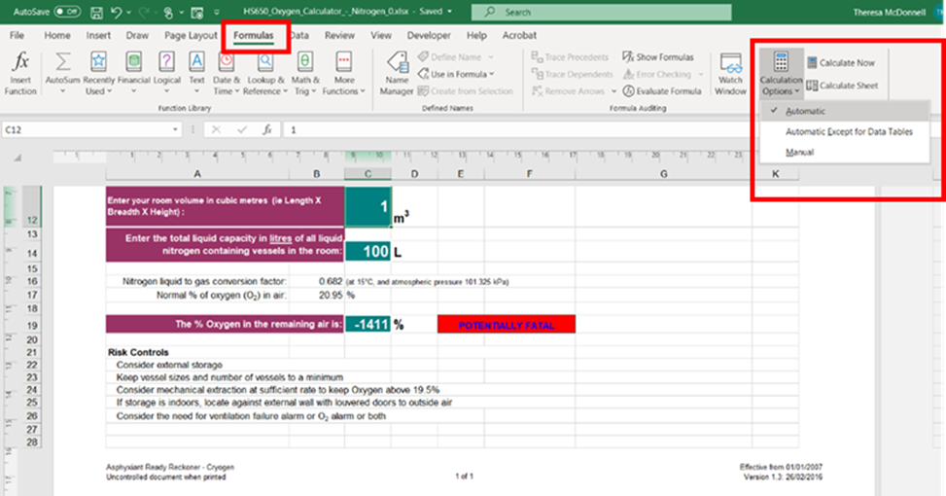
HS650 should work
If it fails to work on you spreadsheet then you may need to turn on auto calculations – go to formula’s then calculate options select automatic.

